DescStats
ht (cm)
186 | Variance
156 | 117.88 | population
160 | 132.61 | sample
155
178 | Standard Deviation
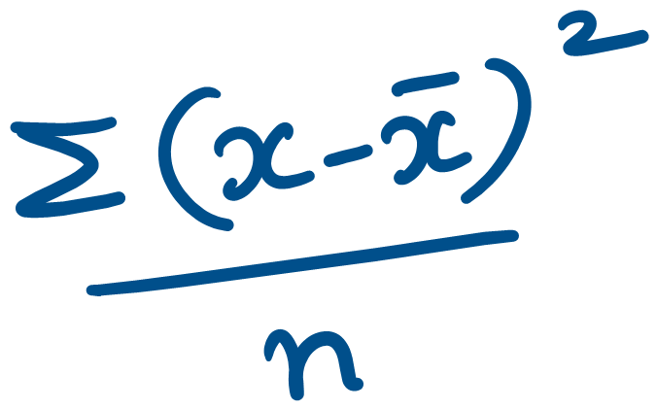
167 | 10.86 | population
155 | 11.52 | sample
178
167

